Route (No IST)
- | Route | Weapons/Abilities | Notes
 | Clip out of SOR |  | If you're learning this category, I highly recommend learning from a VOD
 | [E] Run to camp, get peppers, pot lid, and boko spear |  | up to date as of march, 2022
 | Clip into temple, grab bow and arrows
 | [E] BLSS with pot to Bombs |  | BLSS
 | Clip into shrine
 | Bombs
 | Mash through old man dialouge |  | 2-1-1-2
 | [NW] BLSS to tower, activate it |  | BLSS
 | Great Plateau Tower
 | [NNE] Windbomb to Magnesis |  | wb
 | Grab DLC ruby
 | Magnesis
 | [S] BLSS to trees |  | BLSS
 | [W] Windbomb to Stasis
 | Stasis
 | Boulder launch up cliff
 | [N] BLSS to Cryonis |  | BLSS
 | Cryonis
 | Talk to old man
 | [E] BLSS to temple |  | BLSS
 | Paraglider
 | [NW] BLSS to Tabantha Bridge Stable |  | BLSS
 | Grab food and talk to guy at fire for rupees
 | [NW] BLSS to island, grab hammer and fish |  | BLSS
 | [W] Windbomb into Rito
 | Get Medoh quest
 | Drop down to shop, sell ores and buy sunshrooms
 | [N] Windbomb to range
 | Grab arrows, make meal with 4 sunshrooms and cook fish
 | Do mini-game, get Falcon bow
 | Medoh | falcon bow w/ bombs + ice | grab ancient core and ice arrows. windblight strat: 3B-2I-3B / 3B-3I-2B
 | Get Great Eagle Bow
 | Warp to Cryonis
 | [S] BLSS to Gerudo, talk to stalker |  | BLSS
 | Activate Daqo Chisay
 | [E] Windbomb to bazaar, get clothes
 | [W] BLSS to city, talk to Riju |  | BLSS
 | [NNW] Windbomb to enemy camp
 | BTB off of boko to cliff near tower |  | BTB
 | BTB off of moblin to lizzy camp |  | BTB
 | Take club
 | [W] Windbomb to yiga club, clip in |  | The normal clip doesn't work when we come from Gerudo, do this one
 | Get duplex bow and arrows
 | Kohga | moblin club | 2 geb shots for one cycle. clear ragdoll
 | Go back into hideout, get ruby, topaz, and rupees
 | Head up to banana room, grab all | gale (1)
 | Warp to Daqo Chisay, sell ores and buy shock arrows
 | Cook strength food, talk to Riju |  | three +3 atk food (4 bananas each)
 | [E] Windbomb to lookout, do sequence | gale (2) | Optionally, you can gale up and midair to Naboris. this only saves like ~30s tho
 | Naboris | geb w/ bombs | gale (3) | ATK UP. windbomb if you windbombed to naboris
 | Warp to Naboris
 | [NE] BLSS to Death Mountain, go to Goron City |  | BLSS
 | Sell stuff, buy chest
 | Grab lizard and cook potion |  | core and lizard
 | Talk to Chief
 | [N] Windbomb to Yunobo, free him |  | wb. ice arrows in the right chest if you need them
 | [S] Windbomb to city, talk to chief
 | [E] Windbomb to Daqa Koh
 | Activate Daqa Koh
 | [SE] BLSS to Zora's Domain |  | BLSS
 | Talk to the fish
 | [E] Windbomb to reservoir, do enter sequence
 | Ruta | gale (1) | geb w/ shocks + bombs | ATK UP, keep a bomb arrow for ganon.
 | Warp to Daqa Koh
 | [E] Windbomb to Yunobo, kill moblins | geb w/ ice
 | Do sequence | gale (2) | fury (1,2) | keep first box. for furies go to updraft and fury in corner
 | Rudania | geb w/ shocks + regs | gale (3) | ATK UP.
 | [S/W] BLSS to castle |  | BLSS
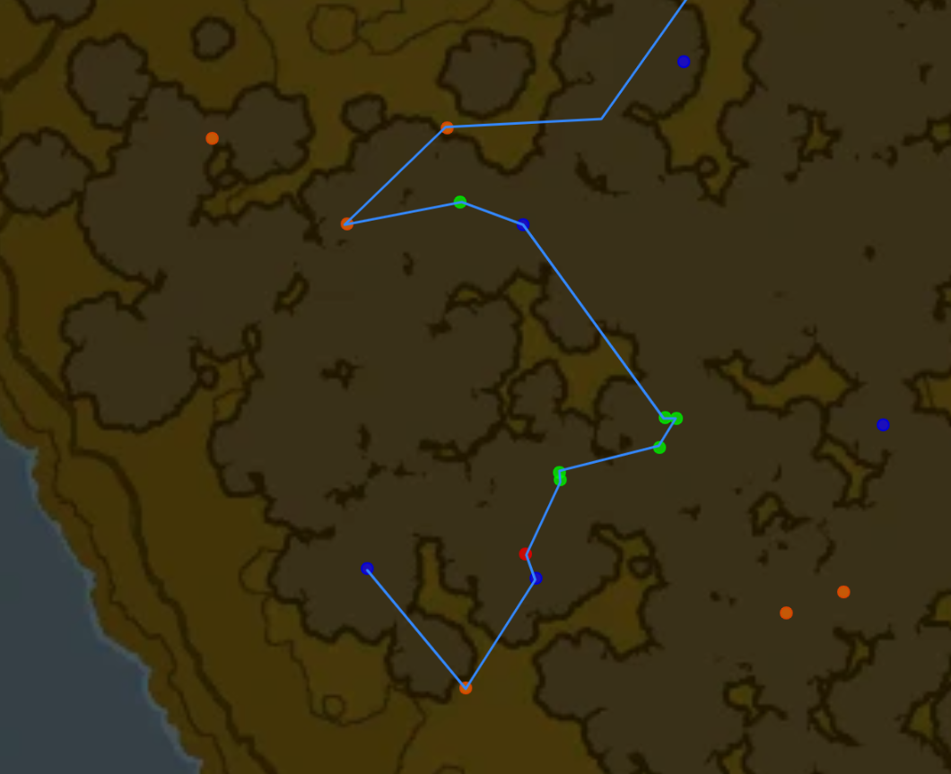
 | bye bye ganon | skip | setup

